Sheet1
Inventory Management Optimized Decision Modelling
Christina Lu Jin

1) Define the data, uncontrollable inputs, and decision variables that influence total inventory cost.

 | This inventory management dataset includes the following components

 | Annual Demand | 14900
 | Unit Cost | $75
 | Holding Rate | 18%
 | Order Cost | $225

 | Uncontrollable Inputs: also include the components above: Annual demand, Unit cost, Holding rate and Order cost
 | Decision Variable: the quantity of units purchased in one order

2) Develop mathematical functions that compute the annual ordering cost and annual holding cost based on average inventory held throughout the year in order to arrive at a model for total cost.

 | INPUTS:
 | Annual Demand | D
 | Unit Cost | C
 | Holding Rate | H
 | Order Cost | O
 | Quantity of units per order | x

 | FORMULAS:
 | Annual ordering cost | = O * (D / x)
 | Average inventory | = x/2
 | Annual holding cost | = C * H * x/2
 | Total inventory cost (T) | = annual ordering cost + annual holding cost = O*(D/x) + C*H*x/2

 | We would like to find out how the change of one variable (quantity of units per order, x), affects the total annual inventory cost (T)
 | therefore we would have to differentiate the total inventory cost with respect to x
 | differentiate d(T)/d(x) | = C*H/2 - D*O/x^2 = 0
 | So, | x = (2*D*O/(C*H))^0.5

3) Implement model

 | INPUTS & CONSTRAINTS:
 | Annual Demand (D) |  | 14900
 | Unit Cost (C) |  | $75
 | Holding Rate (H) |  | 18%
 | Order Cost (O) |  | $225

 | DERIVED INPUTS & OUTPUTS:
 | Quantity per Order (x) |  | 704.00
 | Average Inventory |  | 352.00
 | Annual Holding Cost |  | $4,752.00
 | Annual Ordering Cost |  | $4,762.07
 | Total Inventory Cost (T) |  | $9,514.07

4) Use data tables to find an approximate order quantity that results in the smallest total cost.

 | Please refer to the next sheet (Q4 - Solve with Table) for solution of this question
 | From the table in the next sheet, we could find that a order quantitiy of both 704 and 705 units would provide us with the minimum inventory cost of $9514.07

 | Quantity per Order (650-700) | Annual Holding Cost | Annual Ordering Cost | Total Inventory Cost (T)
 | 650 | 4,387.50 | 5,157.69 | 9,545.19
 | 651 | 4,394.25 | 5,149.77 | 9,544.02
 | ··· | ··· | ··· | ···
 | 703 | 4,745.25 | 4,768.85 | 9,514.10
 | 704 | 4,752.00 | 4,762.07 | 9,514.07
 | 705 | 4,758.75 | 4,755.32 | 9,514.07
 | 706 | 4,765.50 | 4,748.58 | 9,514.08
 | ··· | ··· | ··· | ···
 | 750 | 5,062.50 | 4,470.00 | 9,532.50

5) Plot the Toal Cost vs Order Quantity

Total Cost vs Order Quantity
650 | 9,545.19
651 | 9,544.02
652 | 9,542.87
653 | 9,541.75
654 | 9,540.65
655 | 9,539.57
656 | 9,538.52
657 | 9,537.49
658 | 9,536.48
659 | 9,535.50
660 | 9,534.55
661 | 9,533.61
662 | 9,532.70
663 | 9,531.81
664 | 9,530.95
665 | 9,530.10
666 | 9,529.28
667 | 9,528.49
668 | 9,527.71
669 | 9,526.96
670 | 9,526.23
671 | 9,525.52
672 | 9,524.84
673 | 9,524.18
674 | 9,523.54
675 | 9,522.92
676 | 9,522.32
677 | 9,521.74
678 | 9,521.19
679 | 9,520.66
680 | 9,520.15
681 | 9,519.66
682 | 9,519.19
683 | 9,518.74
684 | 9,518.32
685 | 9,517.91
686 | 9,517.53
687 | 9,517.16
688 | 9,516.82
689 | 9,516.50
690 | 9,516.20
691 | 9,515.91
692 | 9,515.65
693 | 9,515.41
694 | 9,515.19
695 | 9,514.99
696 | 9,514.81
697 | 9,514.65
698 | 9,514.51
699 | 9,514.39
...

6) Use Solver to verify results

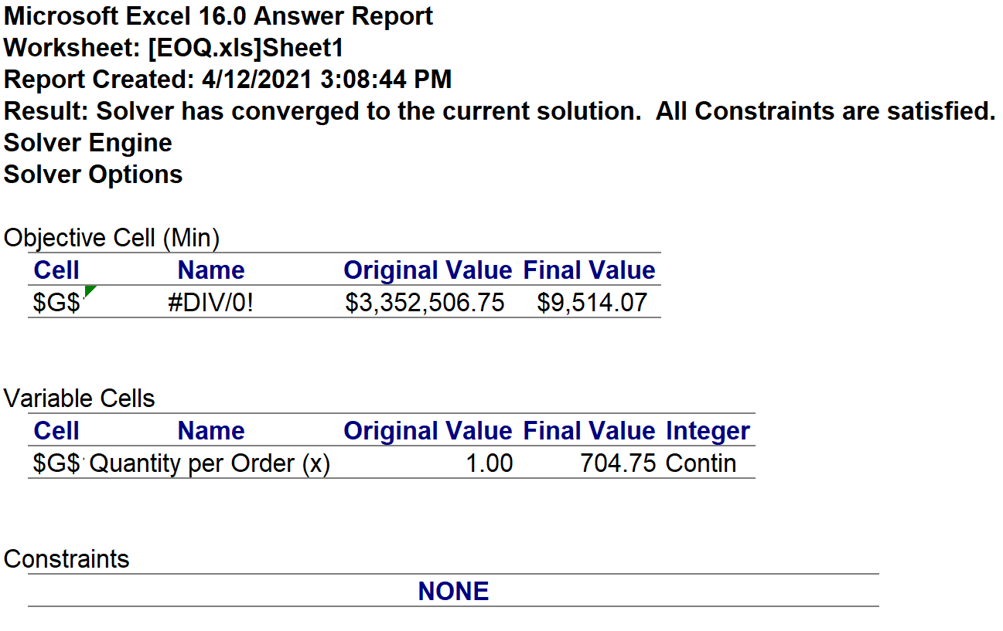
 | SOLVER OUTPUT SOLUTION |  |  |  |  |  |  | SOLVER ANSWER REPORT
 | INPUTS & CONSTRAINTS:
 | Annual Demand (D) |  |  |  |  | 14900
 | Unit Cost (C) |  |  |  |  | $75
 | Holding Rate (H) |  |  |  |  | 18%
 | Order Cost (O) |  |  |  |  | $225
 | DERIVED INPUTS & OUTPUTS:
 | Quantity per Order (x) |  |  |  |  | 704.75
 | Total Inventory Cost (T) |  | =(D117*D118*D122/2)+D119*(D116/D122) |  |  | $9,514.07

7) Conduct what-if analyses by using two-way tables to study the sensitivity of total cost to changes in the model parameters.

 | Model Parameters: |  |  |  | What-if Two-way Table Results | What-if Two-way table results (Annual Demand vs Unit Cost)
 | Annual Demand (D) |  | 14900 |  |  | $9,514.07 | $14,600.00 | $14,700.00 | $14,800.00 | $14,900.00 | $15,000.00 | $15,100.00 | $15,200.00
 | Unit Cost (C) |  | $75 |  |  | $72 | $9,228.01 | $9,259.93 | $9,291.86 | $9,323.79 | $9,355.71 | $9,387.64 | $9,419.57
 | Holding Rate (H) |  | 18% |  |  | $73 | $9,291.44 | $9,323.36 | $9,355.29 | $9,387.21 | $9,419.14 | $9,451.07 | $9,482.99
 | Order Cost (O) |  | $225 |  |  | $74 | $9,354.86 | $9,386.79 | $9,418.72 | $9,450.64 | $9,482.57 | $9,514.49 | $9,546.42
 | DERIVED INPUTS & OUTPUTS: |  |  |  |  | $75 | $9,418.29 | $9,450.22 | $9,482.14 | $9,514.07 | $9,545.99 | $9,577.92 | $9,609.85
 | Quantity per Order (x) |  | 704.75 |  |  | $76 | $9,481.72 | $9,513.64 | $9,545.57 | $9,577.50 | $9,609.42 | $9,641.35 | $9,673.27
 | Total Inventory Cost (T) |  | $9,514.07 |  |  | $77 | $9,545.14 | $9,577.07 | $9,609.00 | $9,640.92 | $9,672.85 | $9,704.78 | $9,736.70
 |  |  |  |  |  | $78 | $9,608.57 | $9,640.50 | $9,672.42 | $9,704.35 | $9,736.28 | $9,768.20 | $9,800.13
 |  |  |  |  |  | What-if Two-way table results (Order Cost vs Holding Rate)
 |  |  |  |  |  | $9,514.07 | $222.00 | $223.00 | $224.00 | $225.00 | $226.00 | $227.00 | $228.00
 |  |  |  |  |  | 15% | $8,657.80 | $8,678.94 | $8,700.09 | $8,721.23 | $8,742.37 | $8,763.51 | $8,784.66
 |  |  |  |  |  | 16% | $8,922.08 | $8,943.22 | $8,964.37 | $8,985.51 | $9,006.65 | $9,027.79 | $9,048.94
 |  |  |  |  |  | 17% | $9,186.36 | $9,207.50 | $9,228.65 | $9,249.79 | $9,270.93 | $9,292.07 | $9,313.22
 |  |  |  |  |  | 18% | $9,450.64 | $9,471.78 | $9,492.93 | $9,514.07 | $9,535.21 | $9,556.35 | $9,577.50
 |  |  |  |  |  | 19% | $9,714.92 | $9,736.06 | $9,757.21 | $9,778.35 | $9,799.49 | $9,820.63 | $9,841.78
 |  |  |  |  |  | 20% | $9,979.20 | $10,000.34 | $10,021.49 | $10,042.63 | $10,063.77 | $10,084.91 | $10,106.06
 |  |  |  |  |  | 21% | $0.15 | $0.15 | $0.15 | $0.15 | $0.15 | $0.15 | $0.15

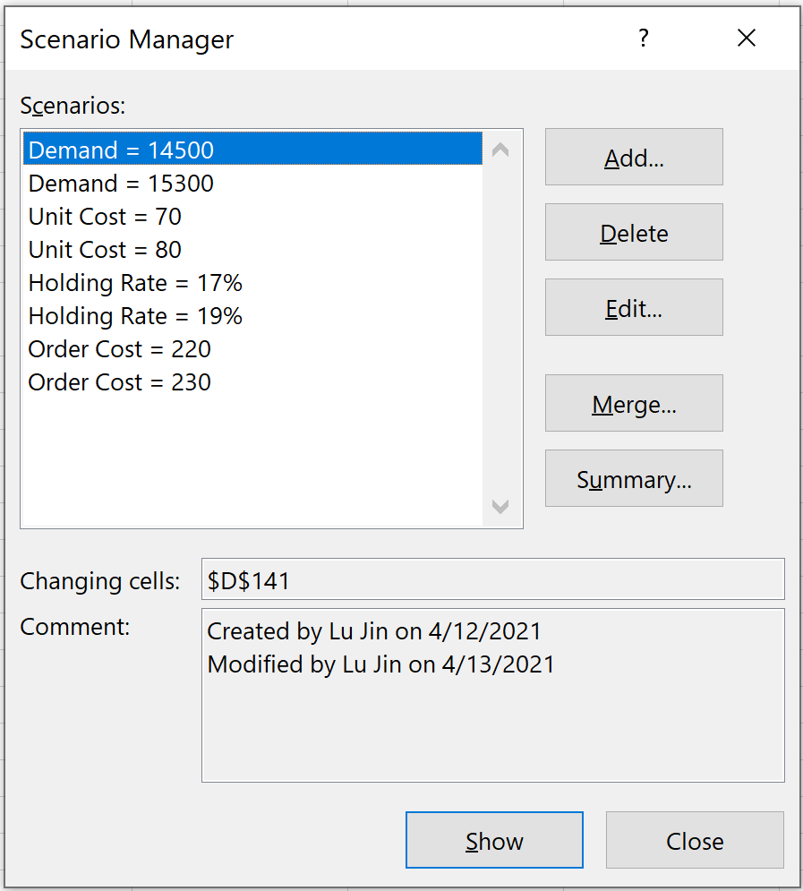

 | Scenario Summary
 |  |  | Current Values: | Demand = 14500 | Demand = 15300 | Unit Cost = 70 | Unit Cost = 80 | Holding Rate = 17% | Holding Rate = 19% | Order Cost = 220 | Order Cost = 230
 | Changing Cells:
 |  | $D$141 | 14900 | 14500 | 15300 | 14900 | 14900 | 14900 | 14900 | 14900 | 14900
 |  | $D$142 | $75 | $75 | $75 | $70 | $80 | $75 | $75 | $75 | $75
 |  | $D$143 | 18% | 18% | 18% | 18% | 18% | 17% | 19% | 18% | 18%
 |  | $D$144 | $225 | $225 | $225 | $225 | $225 | $225 | $225 | $220 | $230
 | Result Cells:
 |  | $D$147 | $9,514.07 | $9,386.36 | $9,641.77 | $9,196.93 | $9,831.20 | $9,249.79 | $9,778.35 | $9,408.36 | $9,619.78
 | Notes: Current Values column represents values of changing cells at
 | time Scenario Summary Report was created. Changing cells for each
 | scenario are highlighted in gray.

 | We can see from the chart that total inventory cost is most sensitive to holding rate, is second sensitive to to annual demand, and then unit cost and lastly order cost

